Introduction
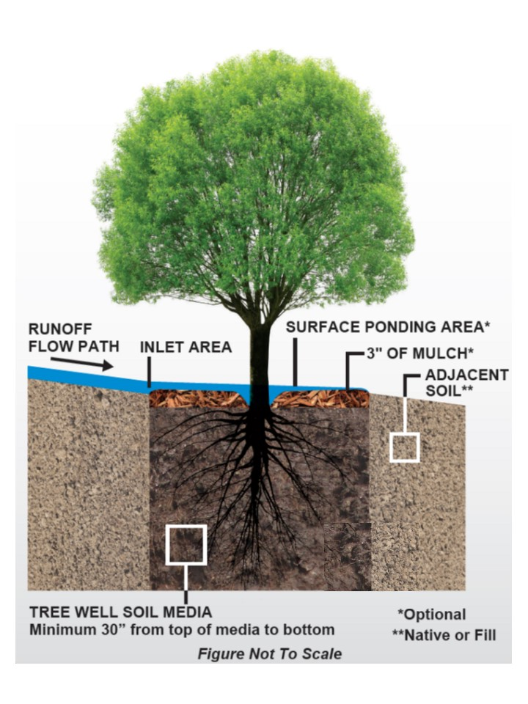
County of San Diego Automated Worksheets for Significant Site Design BMPs (SSD-BMPs)
SD-A Tree Wells and SD-B Impervious Area Dispersion (Dispersion Areas)
(Version 1.0)

WELCOME:
Welcome to the County of San Diego Automated Worksheets for Significant Site Design BMPs. These worksheets may be used to demonstrate compliance with stormwater pollutant control standards and hydromodification flow control standards set forth in the 2013 MS4 Permit for Priority Development Projects (PDPs).
This workbook is intended for use to demonstrate compliance when significant site design BMPs (SSD-BMPs) are proposed. SSD-BMPs are passive treatment systems that include SD-A Tree Wells and SD-B Dispersion Areas. This worksheet does not support the use of underdrains in SD-A or SD-B. If underdrains are proposed, then continuous simlation modeling should be performed.
When structural BMPs (INF-1, INF-2, INF-3, PR-1, BF-1, BF-2) are proposed, a different workbook, "County of San Diego Automated Stormwater Pollutant Control Worksheets" must be used.

Tree Well Schematic
SD-A Tree Wells
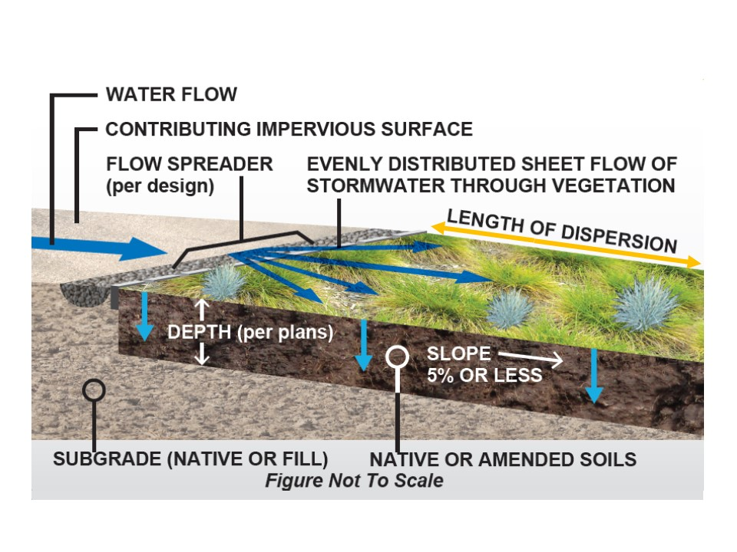
INSTRUCTIONS:
General: To use this workbook, navigate to each of the worksheet tabs below and populate all light green cells with project specific information. Light green cells require user input, white cells are locked for editing and are automatically calculated, bright green cells are also locked for editing and are automatically populated based on results from previous worksheet tabs, grey cells are items that do not require user input because of previous user inputs, orange cells represent warnings where supplemental information and/or revisions may be required for compliance. The worksheets are formatted to accommodate calculations for up to 10 drainage areas and associated BMPs. Each drainage area and BMP is represented as a discrete column with corresponding user inputs and calculations appearing in the rows below. Please note that projects with more than 10 drainage areas may need to use more than one workbook to accommodate the entire project.
Step 1. DCV: Provide the required inputs to determine the design capture volume (DCV) for each PDP drainage management area (DMA). The calculations in this worksheet determine the initial design capture volume and also apply any applicable reductions associated with dispersion to pervious surfaces and incorporation of rain barrels. For DMAs intended to satisfy pollutant control and hydromodification control (when applicable) requirements using Dispersion Areas alone (i.e., not in combination with Tree Wells), the data entered in this tab must provide sufficient pervious area to reduce the remaining DCV in Line 37 to zero. Note that the use of semi-pervious surfaces as dispersion area will not reduce DCV to zero, but the use of engineered pervious surfaces and/or natural pervious surfaces can. For DMAs intended to incorporate Tree Wells, the remaining DCV in Line 37 is the amount to be managed by Tree Wells.
Step 2. Dispersion Areas: [Projects that do not use Dispersion Areas skip this step and go on to Step 3.] When the project includes Dispersion Areas per SD-B, provide required inputs to demonstrate that the requirements for Dispersion Areas are satisfied. If the DMA will also use SD-A Tree Wells downstream of the Dispersion Area to satisfy pollutant control and hydromodification control (when applicable), continue to Step 3. Tree Wells.
Step 3. Tree Wells: [Projects that do not use Tree Wells do not use this Step.] When the project includes Tree Wells per SD-A, provide required inputs to demonstrate that the requirements for Tree Wells are satisfied.
Dispersion Area Schematic
SD-B Impervious Area Dispersion
DISCLAIMER:
The County of San Diego has developed this tool in an effort to streamline traditionally complex efforts associated with planning, design, submittal, and review of PDPs. While the calculations performed herein are deemed to be in compliance with 2013 MS4 Permit requirements, applicants may elect to provide their own calculations. Use of this tool is optional and the County will not be held liable for any errors or other negative impacts associated with its use. In the event that the County performs updates to these worksheets, applicants that have not established reliance on previous versions of the worksheet via discretionary approval may be required to utilize the latest version of the worksheets. A summary of version releases is included below.

QUESTIONS:
-Questions relating to specific projects, submittal requirements, approval process, and/or policy-related issues should be directed your PDS Land Development Project Manager (link below).
PDS Land Development Project Manager
-General questions/comments on this worksheet may be directed via email to BMP.Program@sdcounty.ca.gov with the subject line "SSD-BMP assistance."

Version Notes
Version | Date | Notes/Updates
1.0 | 6/23/20 | V1.0
1.0 | 6/4/20 | Draft Worksheets
1.0 | 5/15/20 | Draft Worksheets

Step 2. Dispersion Areas
SSD-BMP Automated Worksheet I-2: Step 2. Dispersion Area Validation (V1.0)
Category | # | Description | i | ii | iii | iv | v | vi | vii | viii | ix | x | Units
Standard Dispersion Area Inputs | 1 | Drainage Basin ID or Name | - | - | - | - | - | - | - | - | - | - | unitless
 | 2 | Final Design Capture Volume (DCV) | - | - | - | - | - | - | - | - | - | - | cubic-feet
 | 3 | Is Hydromodification Control Applicable? | - | - | - | - | - | - | - | - | - | - | yes/no
 | 4 | Total Impervious Area Dispersed to Pervious Surface | - | - | - | - | - | - | - | - | - | - | sq-ft
 | 5 | Total Engineered Pervious Surface and/or Natural Soil Dispersion Area (Does Not Include Semi-Pervious Surfaces Serving as Dispersion Area) | - | - | - | - | - | - | - | - | - | - | sq-ft
 | 6 | Ratio of Dispersed Impervious Area to Total Engineered Pervious Surface and/or Natural Soil Dispersion Area | - | - | - | - | - | - | - | - | - | - | unitless
 | 7 | Dispersion Area Length (Length of Sheet Flow Across Dispersion Area) |  |  |  |  |  |  |  |  |  |  | feet
 | 8 | Dispersion Area Slope |  |  |  |  |  |  |  |  |  |  | %
 | 9 | Thickness of Amended Soil |  |  |  |  |  |  |  |  |  |  | inches
Dispersion Area Schematic
SD-B Impervious Area Dispersion
 | 10 | How is Flow Dispersed Across Width of Dispersion Area (definitions below*)? |  |  |  |  |  |  |  |  |  |  | unitless
Results | 11 | Is DCV Requirement Fully Satisfied by Dispersion Area? | - | - | - | - | - | - | - | - | - | - | yes/no
 | 12 | Is Hydromodification Control Requirement Satisfied by Dispersion Area? | - | - | - | - | - | - | - | - | - | - | yes/no
 | 13 | Are Dispersion Area Length, Slope, and Thickness of Amended Soil (when applicable) Adequate? | - | - | - | - | - | - | - | - | - | - | yes/no
No Warning Messages
False
False
False
False
False
False
Notes:
*How is Flow Dispersed Across Width of Pervious Dispersion Area?
Sheet Flow: | Flow arrives as sheet flow across the width of the adjacent impervious area
Spreader(s): | Flow is discharged from flow spreader(s) across the width of the pervious area
Roof Drains: | Discharge from roof drains distributed across the width of the pervious area
Curb Cuts: | Discharge from curb cuts distributed across the width of the pervious area
Other: | Other (Describe in PDP SWQMP)

Step 3. Tree Wells
SSD-BMP Automated Worksheet I-3: Step 3. Tree Well Sizing (V1.0)
Category | # | Description | i | ii | iii | iv | v | vi | vii | viii | ix | x | Units
Standard Tree Well Inputs | 1 | Drainage Basin ID or Name | - | - | - | - | - | - | - | - | - | - | unitless
 | 2 | Design Capture Volume Tributary to BMP | - | - | - | - | - | - | - | - | - | - | cubic-feet
 | 3 | Is Hydromodification Control Applicable? | - | - | - | - | - | - | - | - | - | - | yes/no
 | 4 | Predominant NRCS Soil Type Within Tree Well(s) Location |  |  |  |  |  |  |  |  |  |  | unitless
 | 5 | Select a Tree Species for the Tree Well(s) Consistent with SD-A Tree Palette Table Note: Numbers shown in list are Tree Species Mature Canopy Diameters |  |  |  |  |  |  |  |  |  |  | unitless
 | 6 | Tree Well(s) Soil Depth (Installation Depth) Must be 30, 36, 42, or 48 Inches; Select from Standard Depths** |  |  |  |  |  |  |  |  |  |  | inches
 | 7 | Number of Identical* Tree Wells Proposed for this DMA |  |  |  |  |  |  |  |  |  |  | trees
 | 8 | Proposed Width of Tree Well(s) Soil Installation for One (1) Tree |  |  |  |  |  |  |  |  |  |  | feet
 | 9 | Proposed Length of Tree Well(s) Soil Installation for One (1) Tree |  |  |  |  |  |  |  |  |  |  | feet
Tree Data | 10 | Botanical Name of Tree Species | - | - | - | - | - | - | - | - | - | - | unitless
 | 11 | Tree Species Mature Height per SD-A | - | - | - | - | - | - | - | - | - | - | feet
 | 12 | Tree Species Mature Canopy Diameter per SD-A | - | - | - | - | - | - | - | - | - | - | feet
Tree Well Schematic
SD-A Tree Wells
 | 13 | Minimum Soil Volume Required In Tree Well (2 Cubic Feet Per Square Foot of Mature Tree Canopy Projection Area) | - | - | - | - | - | - | - | - | - | - | cubic-feet
 | 14 | Credit Volume Per Tree | - | - | - | - | - | - | - | - | - | - | cubic-feet
Tree Well Sizing Calculations | 15 | DCV Multiplier To Meet Flow Control Requirements | - | - | - | - | - | - | - | - | - | - | unitless
 | 16 | Required Retention Volume (RRV) To Meet Flow Control Requirements | - | - | - | - | - | - | - | - | - | - | cubic-feet
 | 17 | Number of Trees Required | - | - | - | - | - | - | - | - | - | - | trees
 | 18 | Total Area of Tree Well Soil Required for Each Tree | - | - | - | - | - | - | - | - | - | - | sq-ft
 | 19 | Approximate Required Width of Tree Well Soil Area for Each Tree | - | - | - | - | - | - | - | - | - | - | feet
 | 20 | Approximate Required Length of Tree Well Soil Area for Each Tree | - | - | - | - | - | - | - | - | - | - | feet
 | 21 | Number of Trees Proposed for this DMA | - | - | - | - | - | - | - | - | - | - | trees
 | 22 | Total Area of Tree Well Soil Proposed for Each Tree | - | - | - | - | - | - | - | - | - | - | sq-ft
 | 23 | Minimum Spacing Between Multiple Trees To Meet Soil Area Requirements (when applicable)*** | - | - | - | - | - | - | - | - | - | - | feet
Results | 24 | Are Tree Well Soil Installation Requirements Met? | - | - | - | - | - | - | - | - | - | - | yes/no
 | 25 | Is Remaining DCV Requirement Fully Satisfied by Tree Well(s)? | - | - | - | - | - | - | - | - | - | - | yes/no
 | 26 | Is Hydromodification Control Requirement Satisfied by Tree Well(s)? | - | - | - | - | - | - | - | - | - | - | yes/no
No Warning Messages
False
False
False
False
False
False
Notes:
*If using more than one mature canopy diameter within the same DMA, only the smallest mature canopy diameter should be entered. Alternatively, if more than one mature canopy diameter is proposed and/or the dimensions of multiple tree well installations will vary, separate DMAs may be delineated.
**If the actual proposed installation depth is not available in the table of standard depths, select the next lower depth.
***Tree Canopy or Agency Requirements May Also Influence the Minimum Spacing of Trees.

